Sheet1
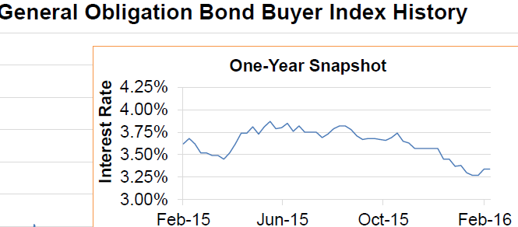
Pend Oreille County Public Hospital District No. 1
Estimated Effect of New Debt on Tax Payers

Value of taxable property within Public Hospital District No. 1 (the "District") * |  |  |  |  |  |  |  | $1,137,499,535
Estimated Timber Assessed Value (TAV) - used to partially offset special tax levies ** |  |  |  |  |  |  |  | 0
 |  |  |  |  |  |  |  | $1,137,499,535

Estimated property tax payment, per $1,000 of assessed property valuation:

Voted Bond | Bond | Interest Rate
Amount | Term | 3.00% | 3.25% | 3.50% | 3.75% | 4.00% | 4.25%

$9,000,000 | 15 | $0.66 | $0.67 | $0.69 | $0.70 | $0.71 | $0.72
 | 20 | 0.53 | 0.54 | 0.56 | 0.57 | 0.58 | 0.60
 | 25 | 0.45 | 0.47 | 0.48 | 0.49 | 0.51 | 0.52

$9,500,000 | 15 | $0.70 | $0.71 | $0.73 | $0.74 | $0.75 | $0.76
 | 20 | 0.56 | 0.57 | 0.59 | 0.60 | 0.61 | 0.63
 | 25 | 0.48 | 0.49 | 0.51 | 0.52 | 0.53 | 0.55

$10,000,000 | 15 | $0.74 | $0.75 | $0.76 | $0.78 | $0.79 | $0.80 |  | Annual Debt Service
 | 20 | 0.59 | 0.60 | 0.62 | 0.63 | 0.65 | 0.66 |  | $752,198.35
 | 25 | 0.50 | 0.52 | 0.53 | 0.55 | 0.56 | 0.58

What this means for a property, business, or home owner with an assessed valuation of: |  |  |  |  |  |  |  | $200,000
Annual property taxes for the PHD 1 voted debt would be:

Voted Bond | Bond | Interest Rate
Amount | Term | 3.00% | 3.25% | 3.50% | 3.75% | 4.00% | 4.25% |  | ENTER ASSESSED VALUE

$9,000,000 | 15 | $133 | $135 | $137 | $140 | $142 | $145
 | 20 | 106 | 109 | 111 | 114 | 116 | 119
 | 25 | 91 | 93 | 96 | 99 | 101 | 104

$9,500,000 | 15 | $140 | $142 | $145 | $148 | $150 | $153
 | 20 | 112 | 115 | 118 | 120 | 123 | 126
 | 25 | 96 | 99 | 101 | 104 | 107 | 110

 |  |  |  |  |  |  |  |  | This will be approximate annual taxes paid by property owner
$10,000,000 | 15 | $147 | $150 | $153 | $155 | $158 | $161
 | 20 | 118 | 121 | 124 | 127 | 129 | 132
 | 25 | 101 | 104 | 107 | 110 | 113 | 116

* Assessed valuation of applicable property within Public Hospital District No. 1, Pend Oreille County (the "District") as fixed in 2015 for the purpose of 2016 tax levies, per the Pend Oreille County Assessor's office (James McCroskey), written verification obtained February 5, 2015.

DISCLAIMER: The purpose of the real property tax estimator is to provide an estimate of real property taxes based upon the information you enter. The estimate is only as accurate as the information entered and it is only an approximation. The estimator will not provide actual taxes. By entering the current assessed value of your property, the calculation will be made based on a 20-year bond with an interest rate of 4.25%. NOTE: INTEREST RATES ARE DETERMINED WHEN BONDS ARE PURCHASED. As demonstrated in the following chart, bond rates have been running below 3.8% over the course of the last year. If the interest rate is less at the time of issue, the property tax amount will be less.

